Аркуш1
Questions
Hello, Taras Maksymiv, could you please help me with following questions: - Should Account record be created after converting Lead? - Should converted Lead be removed from SF after converting to Contact and Account or from Lead list?

Test Cases
Priority | Summary | Pre-Conditions | Validations Steps | Expected Results | Assignee
Medium | Ability of user to convert Lead to Contact and Opportunity records | 1. User is logged in as Superadmin 2. Lead list contains at list one Lead | 1. Choose Lead 2. Click on Converted status 2. Go to the Select Converted Status 3. Input all required fields 4. Click the "Convert" button | System creates only Contact and Opportunity records System removes Lead from SF (!!!) | Nataliia Dudkina
High | Check system's response while leaving the required fields blank during converting Lead | 1. User is logged in as Superadmin 2. Lead list contains at list one Lead | 1. Choose Lead 2. Click on Converted status 2. Go to the Select Converted Status 3. Leave the "Account name" field blank 4. Click the "Convert" button | System displays an error message and highlights field in yellow | Nataliia Dudkina

Bug Reports
Summary | Environment | Pre-Conditions | Steps to reproduce | Expected Results | Actual Results | Attachment | Assignee
Unexpected Account record is created after Lead converting | OS Windows 10 Enterprise Browser Google Chrome Version 83.0.4103.61 | 1. User is logged in as Superadmin 2. Lead list contains at list one Lead | 1. Choose Lead 2. Click on Converted status 2. Go to the Select Converted Status 3. Input all required fields 4. Click the "Convert" button | System creates only Contact and Opportunity records System removes Lead from SF (!!!) | System creates Contact, Opportunity and Account records System removes Lead from Lead list |  | Developer John
Incorrect highlight color in Converted Status of Lead while leaving the required fields blank | OS Windows 10 Enterprise Browser Google Chrome Version 83.0.4103.61 | 1. User is logged in as Superadmin 2. Lead list contains at list one Lead | 1. Choose Lead 2. Click on Converted status 2. Go to the Select Converted Status 3. Leave the "Account name" field blank 4. Click the "Convert" button | System displays an error message and highlights field in yellow | System displays an error message and highlights field in red | 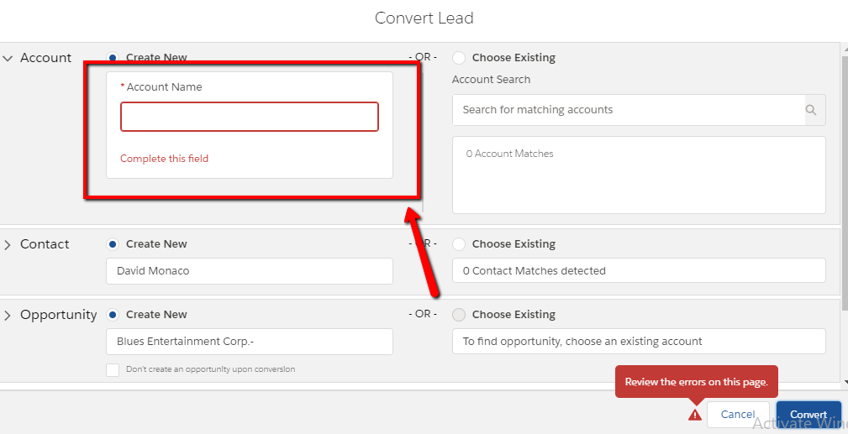 | Developer John

